IPI DRB Minutes
 |  | IBIDEN PHILIPPINES, INC. |  |  |  |  |  |  |  |  |  |  |  |  |  |  |  |  |  | DRB/MRB No. : |  | D-CORE-20-01-001
 |  | DRB/MRB REPORT MINUTES |  |  |  |  |  |  |  |  |  |  |  |  |  |  |  |  |  | RFC No. : |  | 11-0120-0012

Theme: |  |  | Panel Jamming at Stripping Bath
Meeting Date : |  |  | 31-Jan-20 |  |  |  |  |  |  |  |  |  |  |  | Originated by : |  |  |  | Mak Valenciano / CORE2
Meeting Time: |  |  | Start: 1320h |  | End: 1500h |  |  |  |  |  |  |  |  |  |  |  |  |  |  | Name /Block
Meeting Place: |  |  | CORE Meeting Area |  |  |  |  |  |  |  |  |  |  |  | Approved by : |  |  |  | Jerry Gimeno
Chairman: |  |  | Mark Valenciano |  |  |  |  |  |  |  |  |  |  |  |  |  |  |  | Originator ASM/SM/DGM/GM
Block: |  |  | CORE
Attendees : |  |  | Manufacturing |  |  | Engineering/NPD |  |  | Facilities/EE |  |  |  |  | QA/QC |  |  |  |  | PPIC/CSE |  |  |  | Other
 |  |  | M. Valenciano |  |  | A. Almanza |  |  | A. Acielo |  |  |  |  | K. Vergara |  |  |  |  | Ronald
 |  |  | T. Mizuno |  |  |  |  |  | M. Rosales |  |  |  |  | A. Mauleon

<1>PROBLEM STATEMENT : (Put another sheet if multiple lots was discovered affected)
DEFECT ISSUE: |  |  | Panel Jamming at Stripping Bath |  | # | PRODUCT/MODEL AFFECTED |  |  | PRODUCT FAMILY |  |  | LEDGER NO. |  | PRODUCT SIZE |  | LOT NUMBER |  |  | AFFECTEDLAYER |  | AFFECTED PANEL |  | AFFECTED UNIT OR IF PERCENTAGE
DATE/TIME OCCURRED: |  |  | Jan-30-20 |  | 1 | IPI CometLake BGA 8+2 |  |  | BGA14 |  |  | 021-9479 |  | 28X42 |  | P7982590 |  |  | 1st |  | 13-31 |  | N/A
PROCESS DETECTED: |  |  | Etching |  | 2 | IPI CometLake BGA 8+2 |  |  | BGA14 |  |  | 021-9479 |  | 28X42 |  | P7982870 |  |  | 1st |  | 13-15 |  | N/A
PROCESS AFFECTED: |  |  | Etching |  | 3
# OF AFFECTED LOTS : |  |  | 2 |  | 4
WHO DETECTED: |  |  | Operator |  | 5
 |  |  |  |  | 6
 |  |  |  |  | 7
WHAT IS THE PROBLEM DIFFERENCE FROM NORMAL TO ABNORMAL SITUATION? CHANGING POINT? DISCUSS THE FLOW. (Indicate 5W and 1H)
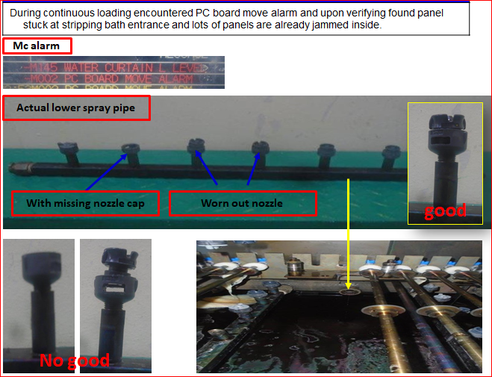
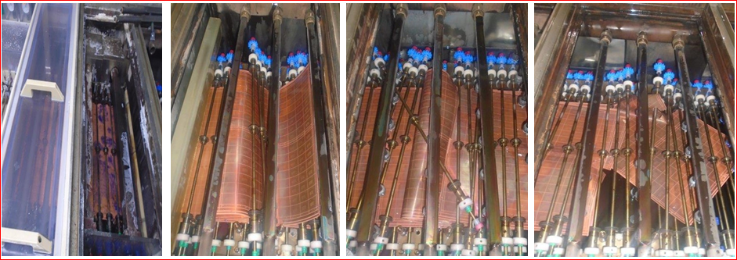

Panel # 13 Stuck up

Loading Direction
THE AGENDA ITEM IS RECURRENCE? |  |  |  | RECURRENCE |  |  | NEW |  |  |  | Recurrence Definition |  |  |  | 1. Rootcause is clear happened in same MC and parts 2. Rootcause is not clear but same issue 3. The Action was not proliferated to other process and machine but it was discussed during the meeting
THE AGENDA ITEM IS ESCAPEE? |  |  |  | YES |  |  | NO
PROBLEM CATEGORY |  |  | MAN |  | MACHINE |  |  | METHOD |  |  | MATERIAL |  |  | MEASUREMENT |  |  |  | ENVIRONMENT |  |  |  | OTHERS
DRB CLOSING RANK |  |  | RANK 1 |  | RANK 2 |  |  | RANK 3 |  |  | RANK 4 |  |  | RANK 5 |  |  |  | OTHERS

<2> INVESTIGATION/IDENTIFICATION OF AFFECTED AREA, SITUATION (Define the phenomenon, mode and tendency occurrence,Etc.)
1. Panel 13 stuck up at Chamber # 1 of Stripping bath causing succeeding panels to pile up.
2. ENCOUNTER PC board MOVE ALARM DUE TO HAVE STUCK PANEL INSIDE THE STRIPPER BATH 1 RESULTING PANEL.
3. POR nozzle already obsoleted as of 2017. Already have spare but pending DR approval.

<3> CONTAINMENT ACTION (Note: Do not disable the interlock system when doing the action) |  |  |  |  |  |  |  |  |  |  |  |  |  |  |  | Responsible |  |  | Completion Date |  |  | Status
 |  |  |  |  |  |  |  |  |  |  |  |  |  |  |  | Name / Block
1. Replacement of worn out nozzle. |  |  |  |  |  |  |  |  |  |  |  |  |  |  |  | Arvin / FAC |  |  | ww 05.5
2.Check nozzle condition last > September 2019 |  |  |  |  |  |  |  |  |  |  |  |  |  |  |  | AE / FAC |  |  | ww 05.5
3. Checking of CV roller condition after installation. |  |  |  |  |  |  |  |  |  |  |  |  |  |  |  | Arvin / FAC |  |  | ww 05.5
4. Check for last checking of nozzle. |  |  |  |  |  |  |  |  |  |  |  |  |  |  |  | Mark / Mfg |  |  | ww 05.5 |  |  | Done last ww 05.0

<4> DISPOSITION OF AFFECTED LOT AND RISK ASSESSMENT

Assessment Item (# of sample/Method) |  |  |  | Responsible Name / Block |  |  | Completion Date |  |  | Assessment Result (No Good/TTL QTY) |  |  |  |  |  | Judgment (OK/NG) |  |  | Final Disposition
100% Inspection appearance verification after etching |  |  |  | Mark / Mfg |  |  | ww 05.5 |  |  | 10/22 damaged 12/22 with stain |  |  |  |  |  | NG
100% Inspection of affected panels at AOI |  |  |  | Mark / Mfg |  |  | ww 05.5 |  |  | No result yet |  |  |  |  |  |  |  |  |  | Proceed |  | Qty : ______________________________
10 <Panel #13-18, 20,28, 30-31 of P7982590>
 |  |  |  |  |  |  |  |  |  |  |  |  |  |  |  |  |  |  |  | Piece Out |  | Qty : _______ Pnl #: ________________
 |  |  |  |  |  |  |  |  |  |  |  |  |  |  |  |  |  |  |  | Sheet Out |  | Qty : ______________________________
 |  |  |  |  |  |  |  |  |  |  |  |  |  |  |  |  |  |  |  | Lot Out |  | Qty : ______________________________
 |  |  |  |  |  |  |  |  |  |  |  |  |  |  |  |  |  |  |  | SDR
Risk Assessment Category |  |  |  |  |  |  |  |  |  |  | Remarks
 |  | Low |  | Medium |  |  |  | High |  |  | ________________________

<5>ACTION REQUIRED (Note: Do not disable the interlock system when doing the action)

Action Request |  |  |  |  |  |  |  |  |  | Responsible Name / Block |  |  |  |  |  | Completion Date |  |  | Detail Results
1. Conduct inventory of Stripping POR Nozzle per chamber. |  |  |  |  |  |  |  |  |  | AE / FAC |  |  |  |  |  | ww 06.1 |  |  | Chamber # 1: 22 remaining out 109pcs Chamber # 2: 218 pcs ALL New since Dec 2017
2. Conduct every PM checking of POR Nozzle condition. |  |  |  |  |  |  |  |  |  | AE / FAC |  |  |  |  |  | ww 06.1 |  |  | 22 pcs at Chamber # 1 in good condition.
3. Check actual nozzle affected. |  |  |  |  |  |  |  |  |  | AE / FAC |  |  |  |  |  | ww 05.5 |  |  | Nozzle already damaged.
4. Assess if can initially replace Nozzle type at Stripping. |  |  |  |  |  |  |  |  |  | Arra / PE |  |  |  |  |  | ww 05.5 |  |  | YES at Stripping ONLY
5. Replacement of remaining 22 nozzles at Chamber # 1. |  |  |  |  |  |  |  |  |  | AE / FAC |  |  |  |  |  | ww 06.3
6. Inventory of ALL Nozzle at Etching line. |  |  |  |  |  |  |  |  |  | AE / FAC |  |  |  |  |  | ww 07.2

<6> ROOTCAUSE GENERATION/ANALYSIS <WHY ANALYSIS by 5M1E, DESIGN AND CAPABILITY>

 | 1. FACTOR GAP ANALYSIS
 | Problem/Issue |  | Gap Type |  | 1st why |  |  |  | 2nd why |  |  |  |  |  | 3rd why |  |  |  |  |  | 4th why |  |  | 5th why
 | Panel Jamming at Stripping Bath |  | Technical |  | Panel stuck up at CV roller |  |  |  | Panel pushed by high pressure from lower nozzle |  |  |  |  |  | Lower nozzle detached due to damaged |  |  |  |  |  | Long time use
 |  |  | Systemic
 |  |  | Detection
 | 2. FINAL ROOT CAUSE and MECHANISM OF AFFECTED ISSUE
 | Damaged Nozzle

<7> CORRECTIVE ACTION |  |  |  |  |  |  |  |  |  |  |  |  | Responsible |  |  |  | Completion Date |  |  | Status |  |  | Need CN & DR?
 |  |  |  |  |  |  |  |  |  |  |  |  | Name / Block |  |  |  |  |  |  |  |  |  | Yes | No
1. Replacement with NEW type (IKEUCHI). |  |  |  |  |  |  |  |  |  |  |  |  | AE / FAC |  |  |  | TBD |  |  |  | On-going DR

<8> PREVENTIVE ACTION |  |  |  |  |  |  |  |  |  |  |  |  | Responsible |  |  |  | Completion Date |  |  | Status |  |  | Need CN & DR?
 |  |  |  |  |  |  |  |  |  |  |  |  | Name / Block |  |  |  |  |  |  |  |  |  | Yes | No

<9> PROLIFERATION |  |  |  |  |  |  |  |  |  |  |  |  |  |  |  | Responsible |  |  | Completion |  |  | Status
 |  |  |  |  |  |  |  |  |  |  |  |  |  |  |  | Name / Sign |  |  | Date
Product |  | Block | Process/line |  | Machine |  | Proliferate Item
 |  |  |  |  |  |  | 1
 |  |  |  |  |  |  | 2
<10>AMOUNT OF LOSS . The total sum_________________
Product |  |  |  |  | Unit Qty |  |  |  |  |  |  |  | Amount of Loss |  |  |  |  |  |  | Remarks

<11> CLOSING APPROVAL (The approver person in charge should put details of the validation and closing confirmation result)
The Validation activity |  |  |  |  |  |  |  |  |  |  |  |  |  |  |  |  | Closing Approver |  |  |  |  | Closing Date
 |  |  |  |  |  |  |  |  |  |  |  |  |  |  |  |  | ASM Gloria Reyes

 |  |  |  |  |  |  |  |  |  |  |  |  |  |  |  |  |  |  |  |  |  |  |  |  | QA-SCAR-MRB-02-00-01 Rev. 11

